CNN 1.0
CNN Architecture

 | convolution layers has filters
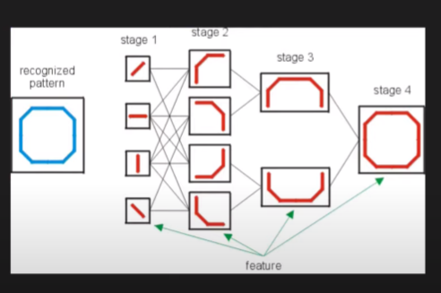
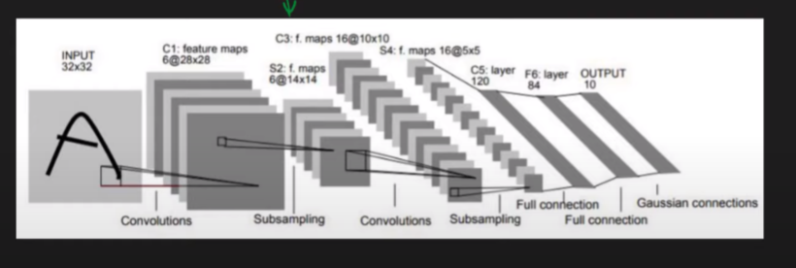
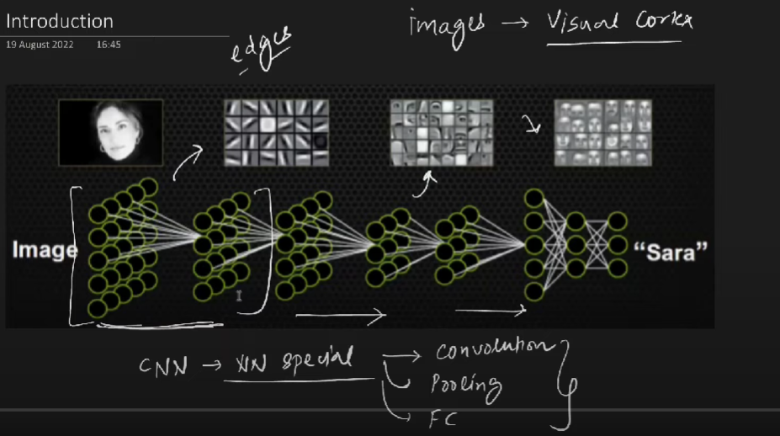

 | Image |  | filter/kernel |  |  | feature map

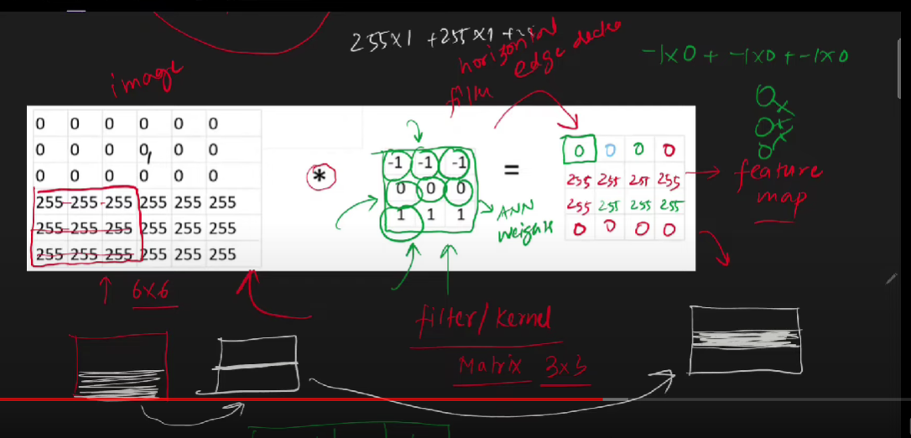
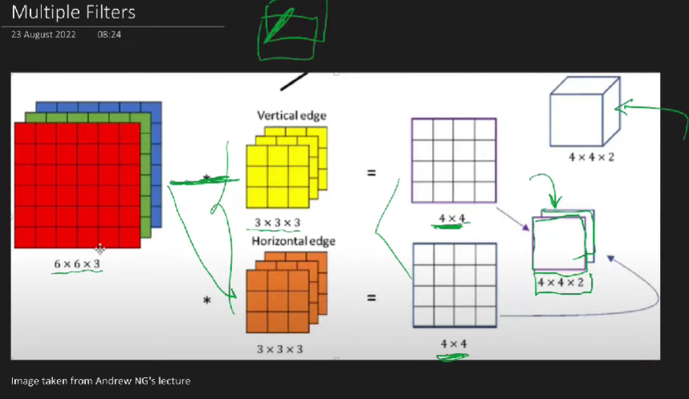

 |  |  |  |  |  |  |  |  | (6-3+1) = 4 |  |  | = | 4 x 4

Padding

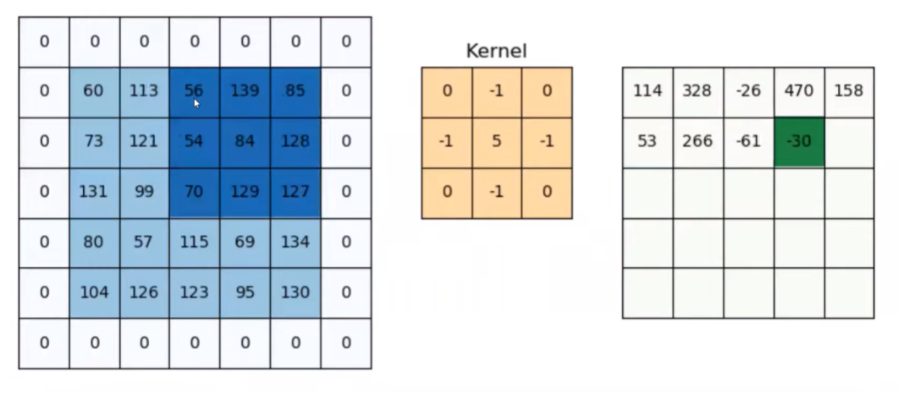
 | Padding is if u want to keep same image size
 | below calculation formula same for both direction

 | image |  | filter |  | feature map
 | 5x5 |  | 3x3 |  | (5-3+1) = 3x3

 | To retain
 |  | padding value = 3x3 - (5-3+1) = 2

 | So total image =7 x 7

 | Each Filter Creates One Feature Map

Strides

 | It’s the jump you are taking for filter during convolution
 | Basically skip some information

calculating the final matrix after filter & strides & padding

 |  | n+2p-f | + 1 |  | n | image
 |  | s |  |  | p | padding
 |  |  |  |  | f | filter size
 |  |  |  |  | s | stride length

due to the below problem…Pooling is used |  |  |  |  |  |  |  |  | Translation variance --> Features of Image tied up with location
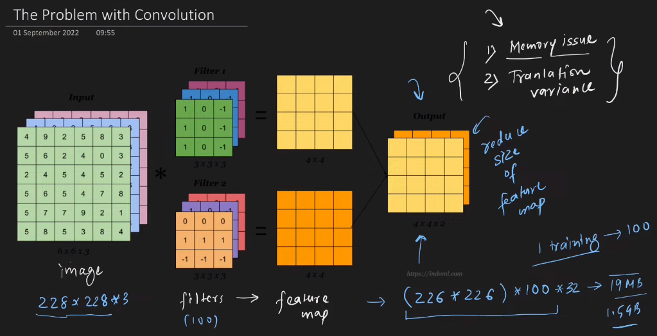
 |  |  |  |  |  |  |  |  | Solution |  | Pooling
 |  |  |  |  |  |  |  |  |  |  |  | Downsample the Feature map
 |  |  |  |  |  |  |  |  |  |  |  |  | then it becomes translation invariant

 |  |  |  |  |  |  |  |  | Types of pooling
 |  |  |  |  |  |  |  |  |  | Max Pooling |  |  |  | Pooling is performed on Feature map
 |  |  |  |  |  |  |  |  |  | Average Pooling |  |  |  |  | Pooling is executed as below
 |  |  |  |  |  |  |  |  |  | L2 Pooling |  |  |  |  | 1)Size of pooling layer |  | (2,2) --> generally
 |  |  |  |  |  |  |  |  |  | Global Pooling |  |  |  |  | 2)Stride of pooling |  | (2,2) --> generally
 |  |  |  |  |  |  |  |  |  |  | Global Max--> of final feature map(sigle value) |  |  |  | 3)type of pooling |  | min, max….
 |  |  |  |  |  |  |  |  |  |  | Global avg--> of final feature map(sigle value) |  |  |  |  | avg or max or applied in pooling size which is applied on feature map
 |  |  |  |  | 20 | 250 | 19 | 640 |  |  | Used at end instead of flatten to reduce overfitting

 |  | 100 |  | 500 |  |  | 95000 |  |  |  | In max pooling dominant features will be kept
 |  | 1 |  |  |  |  | 95000 |  |  |  | low level details are eliminated

CNN 2.0
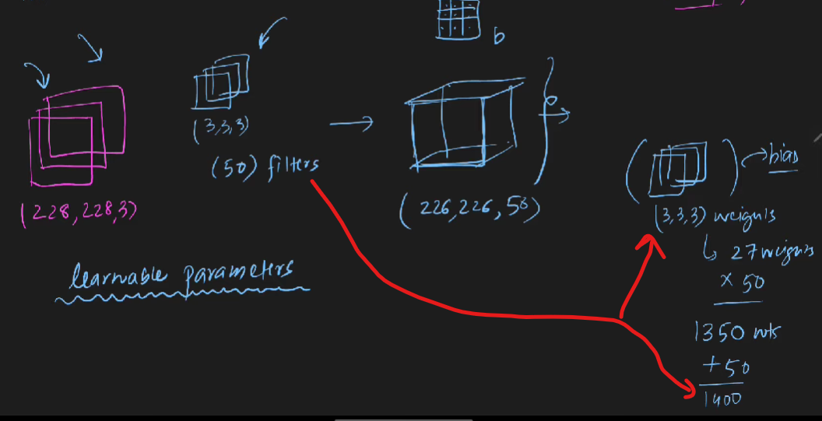
CNN Architecture

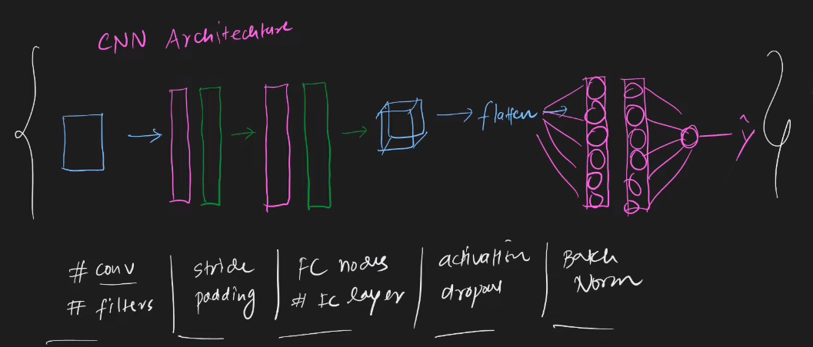

 | Image |  |  |  | Conv_2 | feature map | Pool_2
 |  |  |  |  |  |  |  |  | Flatten |  | Output
 |  | Conv_1 | feature map | Pool_1

 | LENET-5

 |  | layer 1 |  |  | layer 2 |  |  |  |  | layer 3 |  | layer 4 | layer
 | Image | filters | Pool |  | filters | Pool |  | Flatten |  | Dense layer |  | Dense layer | Output
 | 32,32 | nos 6 | size = (2x2) |  | nos 16 | size = (2x2) |  |  |  | 120 neurons |  | 84 neurons
 |  | (5,5) | stride = 2 |  | (5,5) | stride = 2
 |  |  |  |  |  |  |  |  | input |  | wts
 |  | 28,28,6 | 14,14,6 |  | 10,10,16 | 5,5,16 |  | 5x5x16=400 |  |  | 400x120+120 | 120x84+84 | 84x10+10

 | LENET-5
 | ALEXNET
 | VGGNET
 | RESNET
 | INCEPTION

activation func
Sigmoid
 | σ(z) = 1 / (1 + exp(–z))
 |  |  |  | Vanishing gradient problem
[-inf,-inf] --> | (0,1) |  |  | Gradient is either only +ve or -ve , basically the gradients are not (normalized/mean=0)
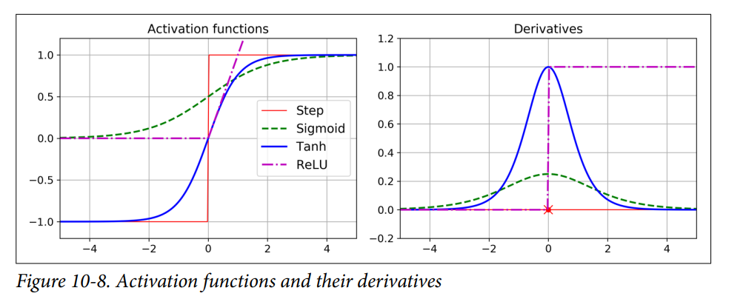
tanh
 | tanh(z) = 2σ(2z) – 1 |  |  | = | (ez - e-z)
 |  |  |  |  | (ez + e-z)
 | (-1,1) |  |  | but gradient problem solved
 |  |  |  | still Vanishing gradient problem

Relu
 | ReLU(z) = max(0, z)

 |  |  | kicks vanishing gradient problem
 |  |  | Dying Relu Problem
 |  |  |  | Solution
 |  |  |  |  | Set low learning rate
 |  |  |  |  | give bias a +ve value, say 0.01
 |  |  |  |  | use Relu variants

 |  |  |  | Relu variants
 |  |  |  |  | Linear
 |  |  |  |  |  | Leaky relu
 |  |  |  |  |  | Parametric Relu

 |  |  |  |  | Non Linear
 |  |  |  |  |  | Elu
 |  |  |  |  |  | Selu

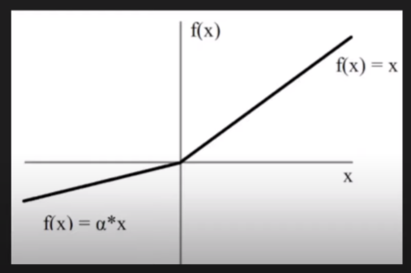
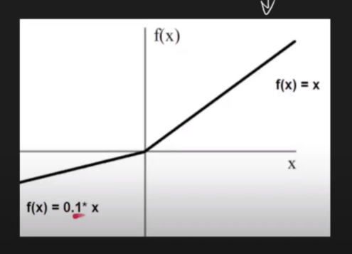
Leaky relu |  |  |  |  |  | parametric relu
 |  | f(z)= | max(0.01z,z) |  |  |  | f(z)= | max(az,z)
 |  |  | z>= 0 --> z |  |  |  |  | z>= 0 --> z
 |  |  | z< 0 --> 0.01z |  |  |  |  | z< 0 --> az

 |  |  |  |  |  |  |  | a --. Trainable parameter

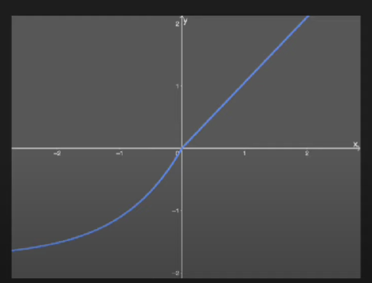
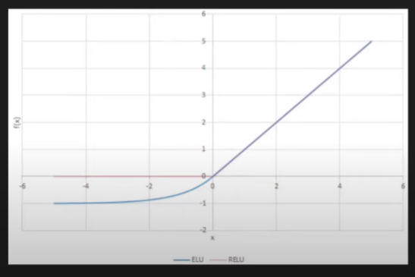
ELU --Exponential Linear Unit |  |  |  |  |  | SELU --Exponential Linear Unit
 |  | f(z)= | max ((ex-1),z) |  |  |  | f(z)= | max ʎ *((ex-1),z)
 |  |  | z>= 0 --> z |  |  |  |  | z>= 0 --> ʎ * z
 |  |  | z < 0 -->(ex-1) |  |  |  |  | z < 0 -->ʎ * (ex-1)

 |  |  |  |  |  |  |  | ʎ | 1.67326… | Fixed values
 |  |  |  |  |  |  |  |  | 1.05070098..

pretrained
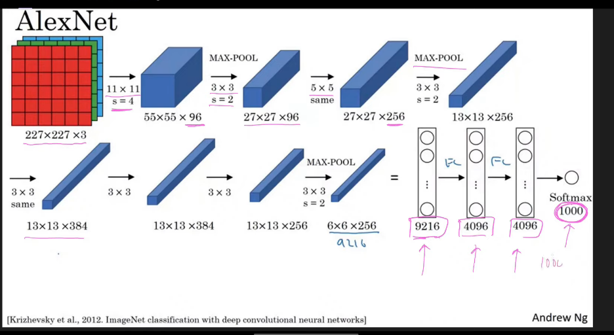
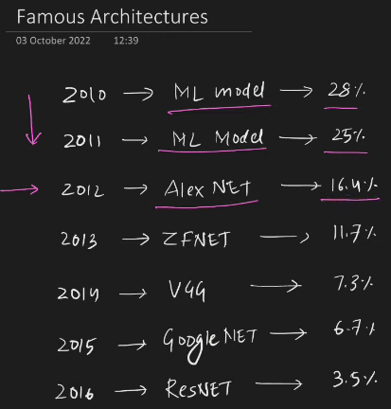
 |  | Model | Size (MB) | Top-1 Accuracy | Top-5 Accuracy | Parameters | Depth | Time (ms) per inference step (CPU) | Time (ms) per inference step (GPU)
 |  | Xception | 88 | 79.00% | 94.50% | 22.9M | 81 | 109.4 | 8.1
 |  | VGG16 | 528 | 71.30% | 90.10% | 138.4M | 16 | 69.5 | 4.2
 |  | VGG19 | 549 | 71.30% | 90.00% | 143.7M | 19 | 84.8 | 4.4
 |  | ResNet50 | 98 | 74.90% | 92.10% | 25.6M | 107 | 58.2 | 4.6
 |  | ResNet50V2 | 98 | 76.00% | 93.00% | 25.6M | 103 | 45.6 | 4.4
 |  | ResNet101 | 171 | 76.40% | 92.80% | 44.7M | 209 | 89.6 | 5.2
 |  | ResNet101V2 | 171 | 77.20% | 93.80% | 44.7M | 205 | 72.7 | 5.4
 |  | ResNet152 | 232 | 76.60% | 93.10% | 60.4M | 311 | 127.4 | 6.5
 |  | ResNet152V2 | 232 | 78.00% | 94.20% | 60.4M | 307 | 107.5 | 6.6
 |  | InceptionV3 | 92 | 77.90% | 93.70% | 23.9M | 189 | 42.2 | 6.9
 |  | InceptionResNetV2 | 215 | 80.30% | 95.30% | 55.9M | 449 | 130.2 | 10
983160 | 480 | MobileNet | 16 | 70.40% | 89.50% | 4.3M | 55 | 22.6 | 3.4
 |  | MobileNetV2 | 14 | 71.30% | 90.10% | 3.5M | 105 | 25.9 | 3.8
 |  | DenseNet121 | 33 | 75.00% | 92.30% | 8.1M | 242 | 77.1 | 5.4
 |  | DenseNet169 | 57 | 76.20% | 93.20% | 14.3M | 338 | 96.4 | 6.3
 |  | DenseNet201 | 80 | 77.30% | 93.60% | 20.2M | 402 | 127.2 | 6.7
 |  | NASNetMobile | 23 | 74.40% | 91.90% | 5.3M | 389 | 27 | 6.7
 |  | NASNetLarge | 343 | 82.50% | 96.00% | 88.9M | 533 | 344.5 | 20
 |  | EfficientNetB0 | 29 | 77.10% | 93.30% | 5.3M | 132 | 46 | 4.9
 |  | EfficientNetB1 | 31 | 79.10% | 94.40% | 7.9M | 186 | 60.2 | 5.6
 |  | EfficientNetB2 | 36 | 80.10% | 94.90% | 9.2M | 186 | 80.8 | 6.5
 |  | EfficientNetB3 | 48 | 81.60% | 95.70% | 12.3M | 210 | 140 | 8.8
 |  | EfficientNetB4 | 75 | 82.90% | 96.40% | 19.5M | 258 | 308.3 | 15.1
 |  | EfficientNetB5 | 118 | 83.60% | 96.70% | 30.6M | 312 | 579.2 | 25.3
 |  | EfficientNetB6 | 166 | 84.00% | 96.80% | 43.3M | 360 | 958.1 | 40.4
 |  | EfficientNetB7 | 256 | 84.30% | 97.00% | 66.7M | 438 | 1578.9 | 61.6
 |  | EfficientNetV2B0 | 29 | 78.70% | 94.30% | 7.2M | - | - | -
 |  | EfficientNetV2B1 | 34 | 79.80% | 95.00% | 8.2M | - | - | -
 |  | EfficientNetV2B2 | 42 | 80.50% | 95.10% | 10.2M | - | - | -
 |  | EfficientNetV2B3 | 59 | 82.00% | 95.80% | 14.5M | - | - | -
 |  | EfficientNetV2S | 88 | 83.90% | 96.70% | 21.6M | - | - | -
 |  | EfficientNetV2M | 220 | 85.30% | 97.40% | 54.4M | - | - | -
 |  | EfficientNetV2L | 479 | 85.70% | 97.50% | 119.0M | - | - | -
 |  | ConvNeXtTiny | 109.42 | 81.30% | - | 28.6M | - | - | -
 |  | ConvNeXtSmall | 192.29 | 82.30% | - | 50.2M | - | - | -
 |  | ConvNeXtBase | 338.58 | 85.30% | - | 88.5M | - | - | -
 |  | ConvNeXtLarge | 755.07 | 86.30% | - | 197.7M | - | - | -
 |  | ConvNeXtXLarge | 1310 | 86.70% | - | 350.1M | - | - | -
 |  | The top-1 and top-5 accuracy refers to the model's performance on the ImageNet validation dataset.

 |  | Depth refers to the topological depth of the network. This includes activation layers, batch normalization layers etc.

 |  | Time per inference step is the average of 30 batches and 10 repetitions.

 |  | CPU: AMD EPYC Processor (with IBPB) (92 core)
 |  | RAM: 1.7T
 |  | GPU: Tesla A100
 |  | Batch size: 32

 |  | Depth counts the number of layers with parameters.

